UI Spec
1
2
3
4
UI Spec

 |  |  |  |  |  |  |  |  |  |  |  |  |  | Retrieve | New | Save | Down Excel | Detail Requirements

5
6
7
 |  |  |  |  |  |  |  |  |  |  |  |  |  |  |  |  |  | 1. Retrieve: When Click Retrieve Button, data as per sql(refer to SQL sheet) shall be shown. 2. New: Remove header & table data 3. Save: When Click Save, 1) Check whether changed data exists. If not, shown message that "No change data found". 2) Check mandatory fields filled. 3) Save changed data in JOO_CARRIER table. 4. Down Excel: Export data into Excel format. Format shall be same as UI shown. 5. Carrier: Show Carrier List in a select box format. 6. Vendor: Numeric Type only be inputted. 7. Create Date: Date format. When Click Calander Icon, small screen showing calander image appear. 8. Row Delete: When Click Row Delete, checked Row will be removed. 9. Row Add: When click Row Add, empty row shall be inserted at the bottom. * Table Requirements. 1) Carrier, Rev. Lane, Vendor Code & Customer Code must be filled before saving. 2) Delete Flag shall be "N" once Row Add 3) Create/Update Date & User ID not be editable
 |  | Carrier |  | ▼ |  | Vendor |  |  |  | Create Date | YYYY-MM-DD | ~ | YYYY-MM-DD

8
9
 |  |  |  |  |  |  |  |  |  |  |  |  | 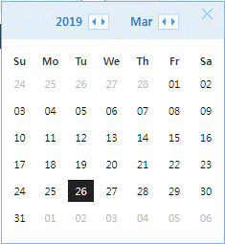
 |  |  |  |  |  |  |  |  |  |  |  |  |  |  |  | Row Delete | Row Add

 | Chk | Carrier | Rev. Lane |  | Vendor Code |  | Customer Code |  | Trade | Delete Flag | Create Date |  | Create User ID | Update Date |  | Update User ID
 | v | CMA | PS2 |  | 100669 |  | FR | 500178 |  | N | 2018/05/25 10:38:09 |  | ************** | 2018/05/25 10:38:09 |  | **************

